Thin Wall Cylinders
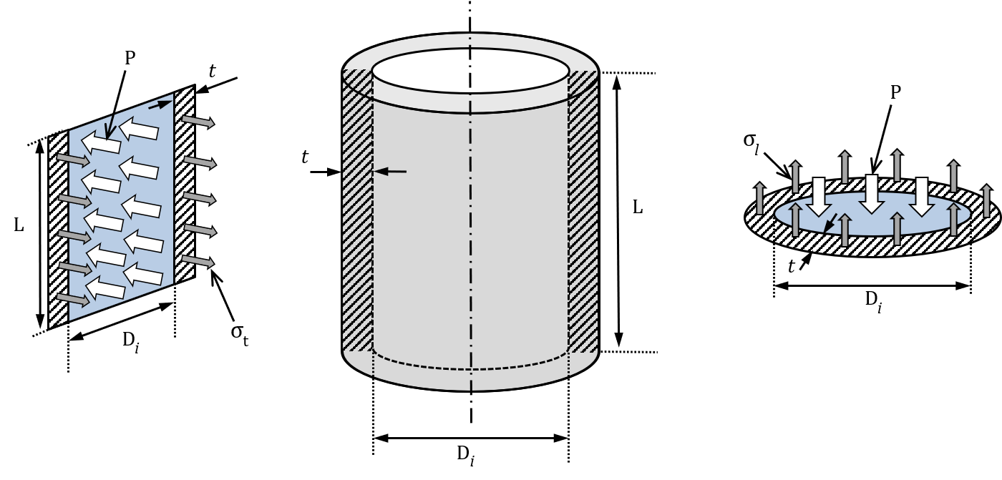
Author: Folkers Rojas |  | Drop Down Select
Date: 20200830 Updated |  | Fill IN
Title: Thin Wall Cylinders |  | Results
Source: Shigley and Mitchell, Mechanical Engineering Design, 4th Edition, pg 74-75
Source: Just derive
 | Parameters | Metric Values |  | Description
 |  | Value | Unit |  | Materials | Yield Strength | Young's Modulus
 | Material Properties |  |  |  |  | MPa | GPa
 | Material of Cylinder | Steel Structural ASTM A36 | See Table |  | USER Input
 | Young's Modulus | 2.00E+11 | Pa |  | Aluminum | 95.00 | 69.00
 |  | 200.00 | GPa |  | Copper | 70.00 | 117.00
 | Yield Strength | 250.00 | MPa |  | Nylon | 45.00 | 2.00
 | Geometry |  |  |  | Stainless AISI 302 | 502.00 | 190.00
 | Internal Diameter | 0.06598 | m |  | Steel Structural ASTM A36 | 250.00 | 200.00
 | Thickness of wall | 0.180 | mm |  | Titanium Alloy | 730.00 | 110.00
 |  | 1.80E-04 | m
 | External Diameter | 6.634E-02 | m
 | Loading
 | Internal Pressure | 30.00 | psi
 |  | 2.07E+05 | Pa
 | External Pressure | 0.00 | psi
 |  | 0.00E+00 | Pa
 | Differential Pressure | 30.00 | psi
 |  | 2.07E+05 | Pa
 | Thin Wall Hoop & Axial Stresses
 | Hoop Stress (Tangential Stress) | 3.79E+07 | Pa
 | Axial Stress (Longitudinal Stress) | 1.90E+07 | Pa
 | Design Parameters
 | Safety Factor Calculated | 6.59
 | Comments
 | 0) For thin wall the wall thickness should be 1/20 or less than the radius.
 | 1) Thickness << Radius results in radial stress small compared to tangential stress
 | 2) Thin walls also implies that tangential stress is uniform throughout thickness

